Navigation
SmartPLS report
Please cite the use of SmartPLS: Ringle, C. M., Wende, S., and Becker, J.-M. 2024. "SmartPLS 4." Bönningstedt: SmartPLS, https://www.smartpls.com.
 | complete
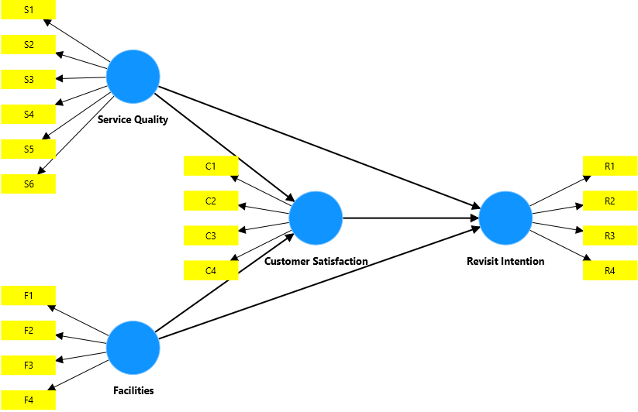
Final results
Path coefficients
Intercepts
Total indirect effects
Specific indirect effects
Total effects
Outer loadings
Outer weights

Quality criteria
R-square
R-square adjusted
f-square
Average variance extracted (AVE)
Composite reliability (rho_c)
Composite reliability (rho_a)
Cronbach's alpha
Heterotrait-monotrait ratio (HTMT)
Latent variable correlations

Model fit
SRMR
d_ULS
d_G

Algorithm
Setting
Samples
Execution log

Histograms
Path coefficients histogram
Indirect effects histogram
Total effects histogram
Outer weights histogram

Model and data
Inner model
Outer model
Indicator data (original)
Indicator data (standardized)

complete Charts
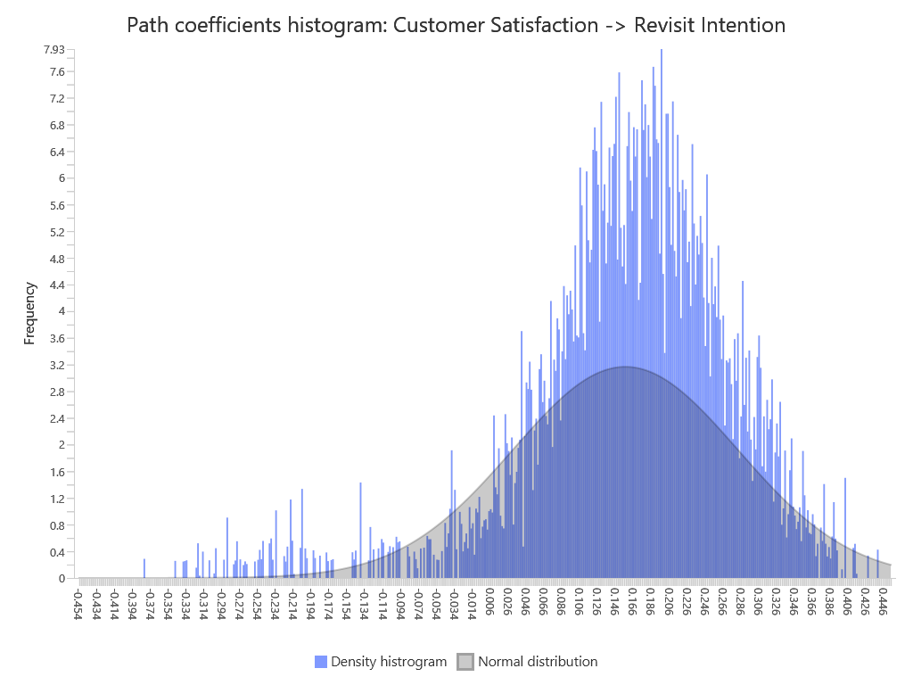
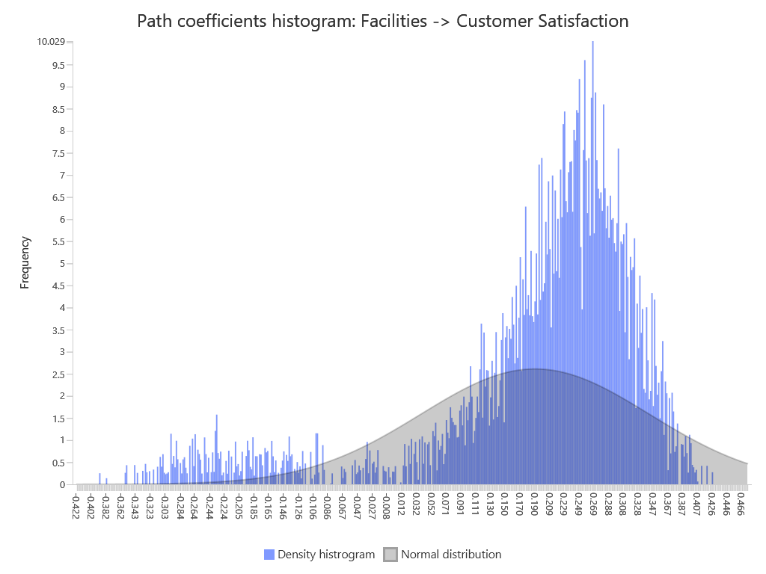
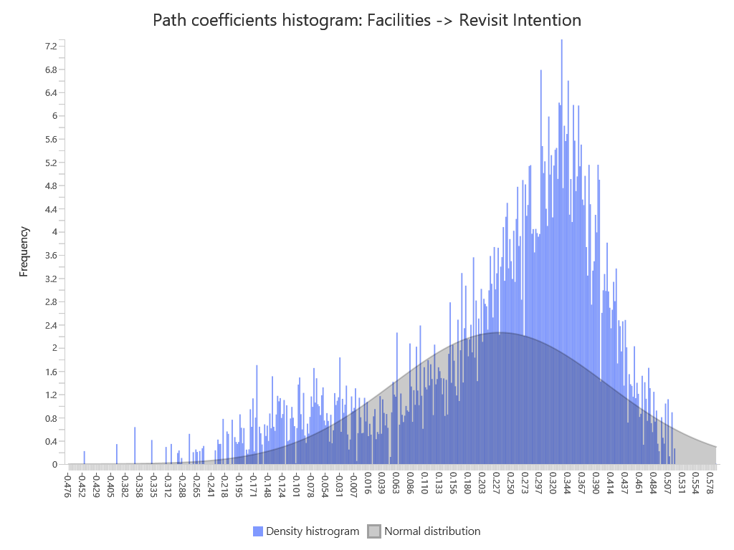
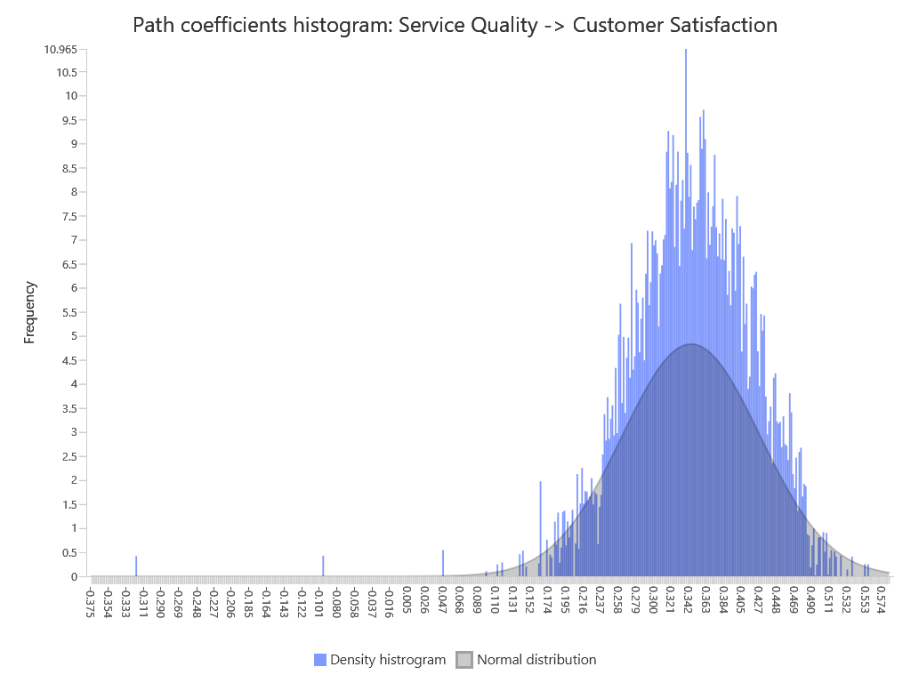
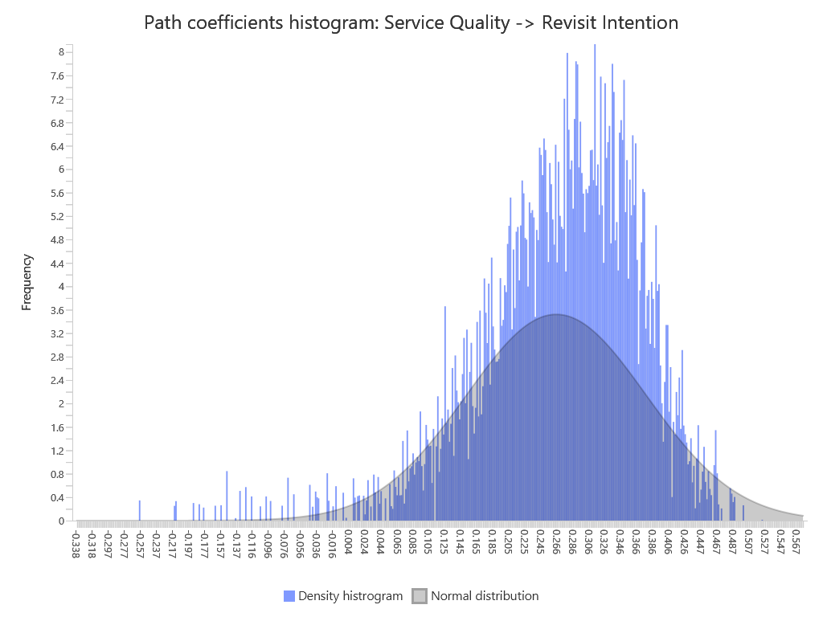
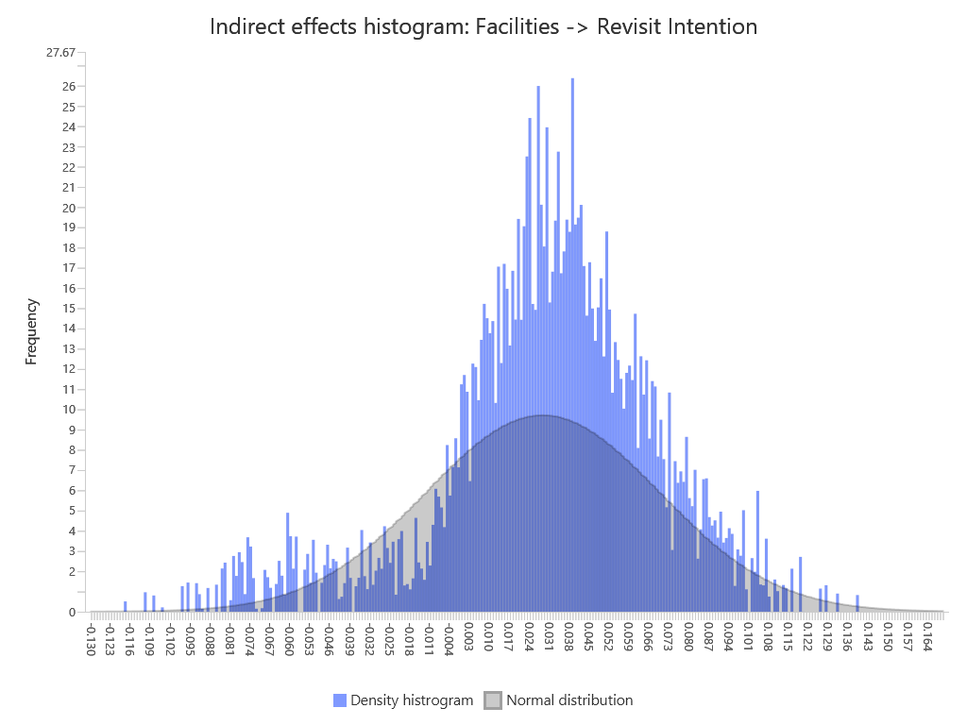
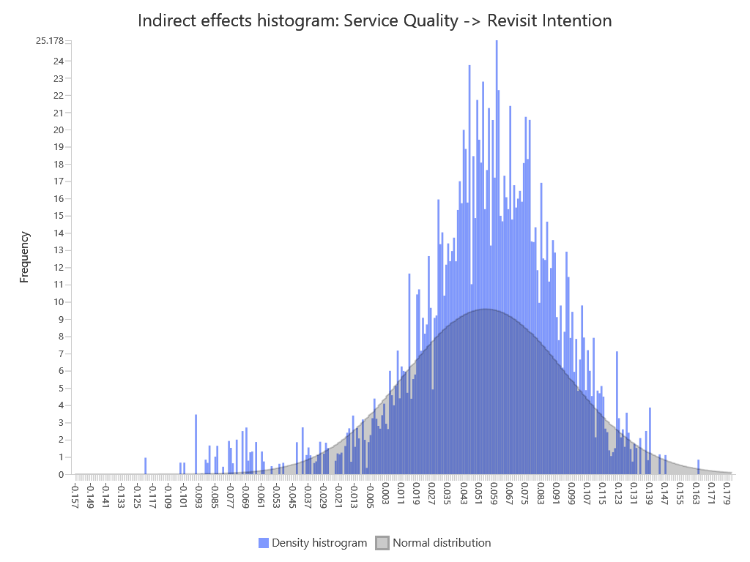

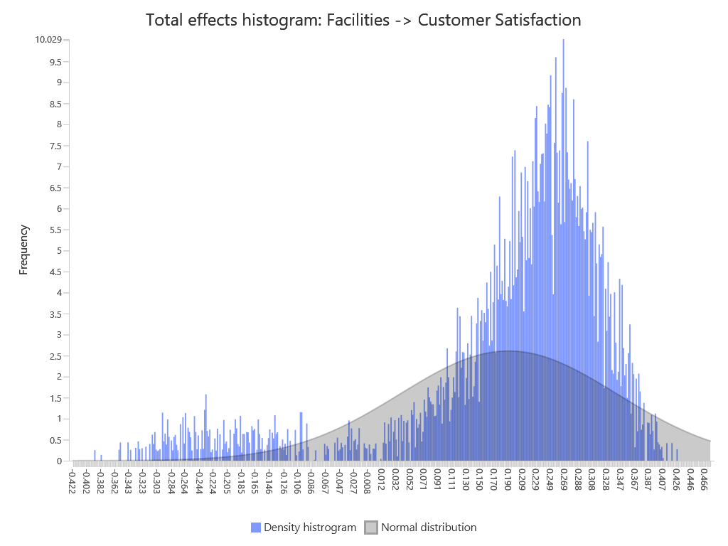
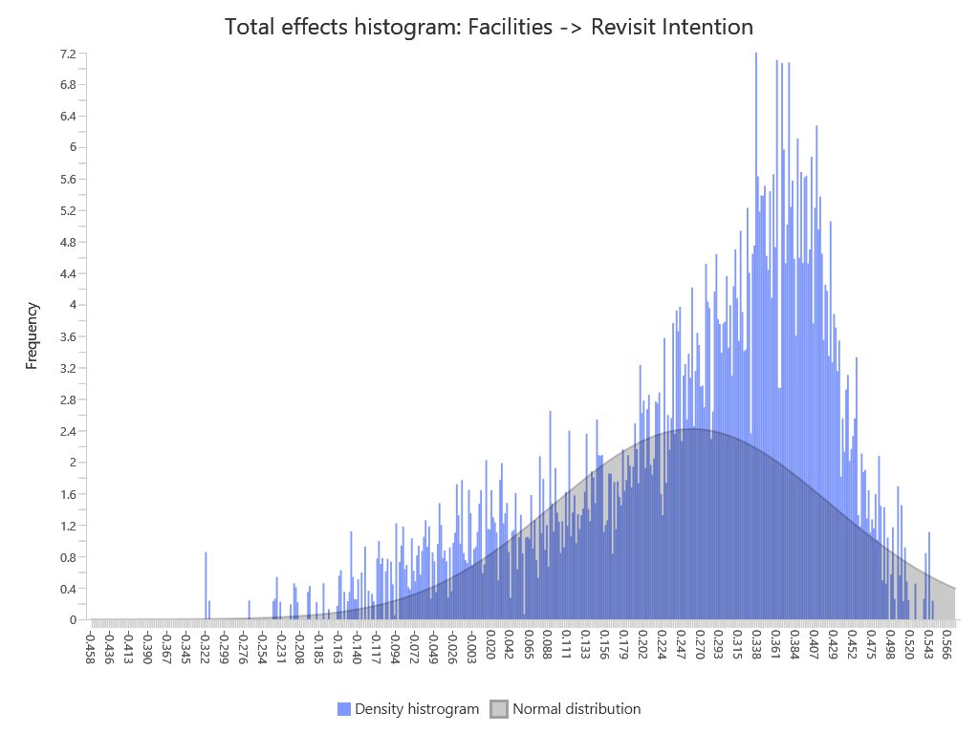

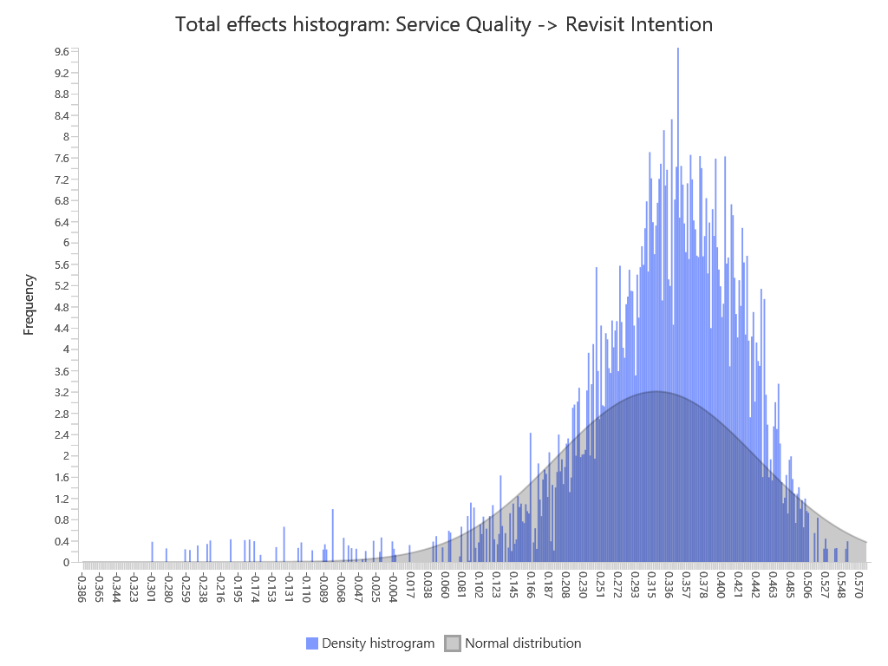
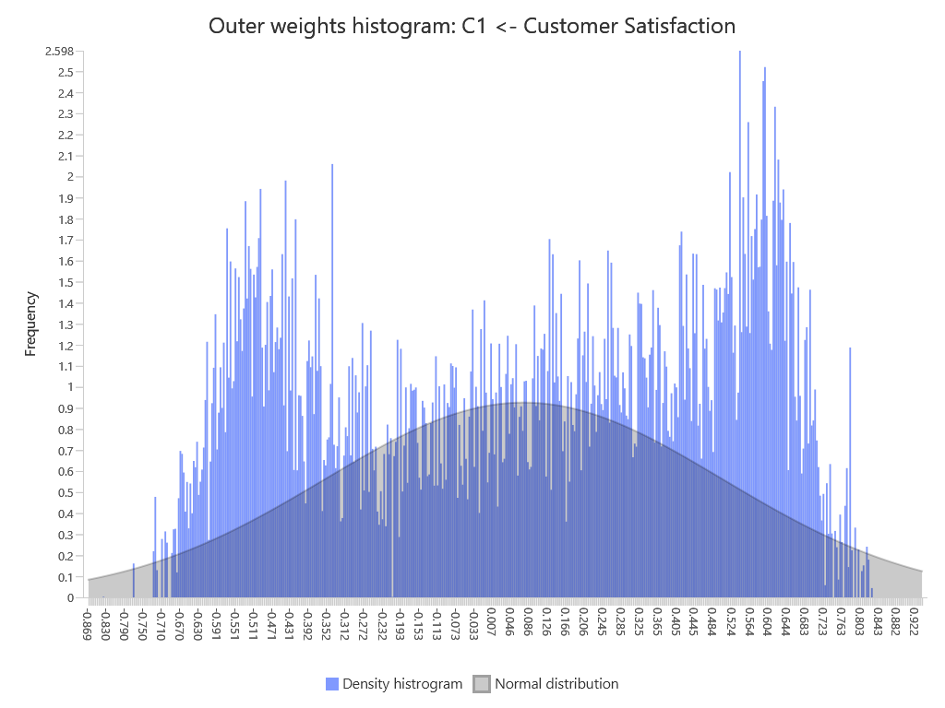
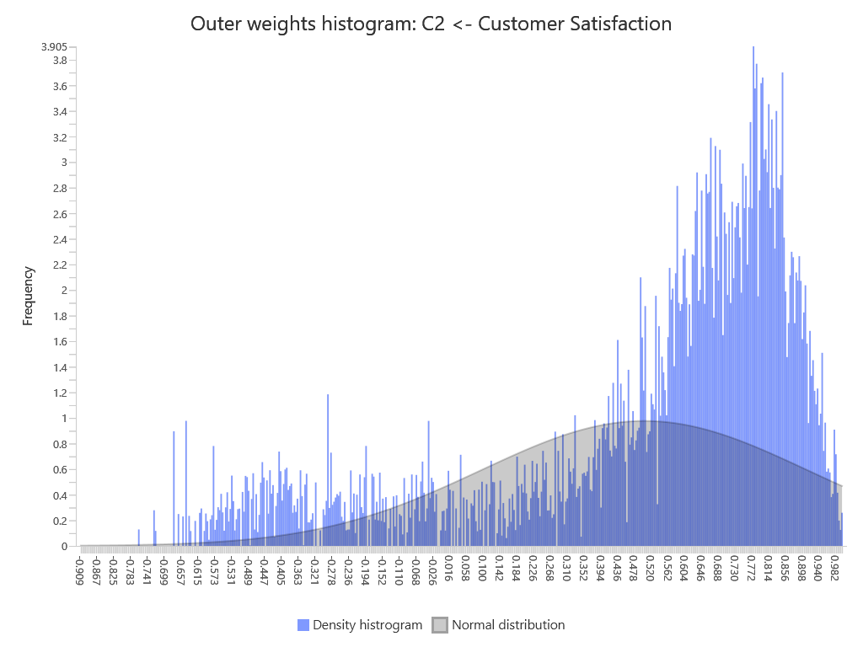
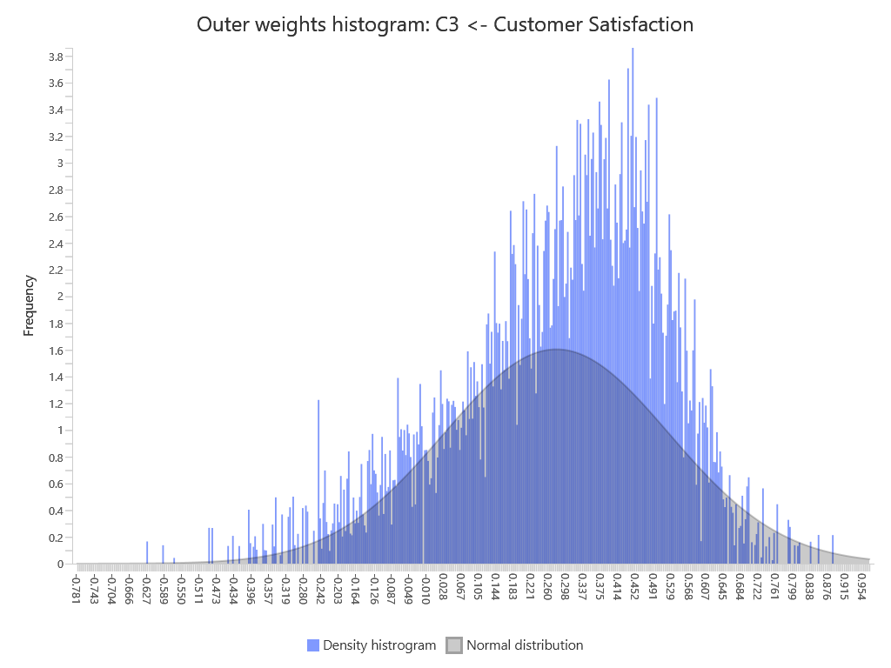
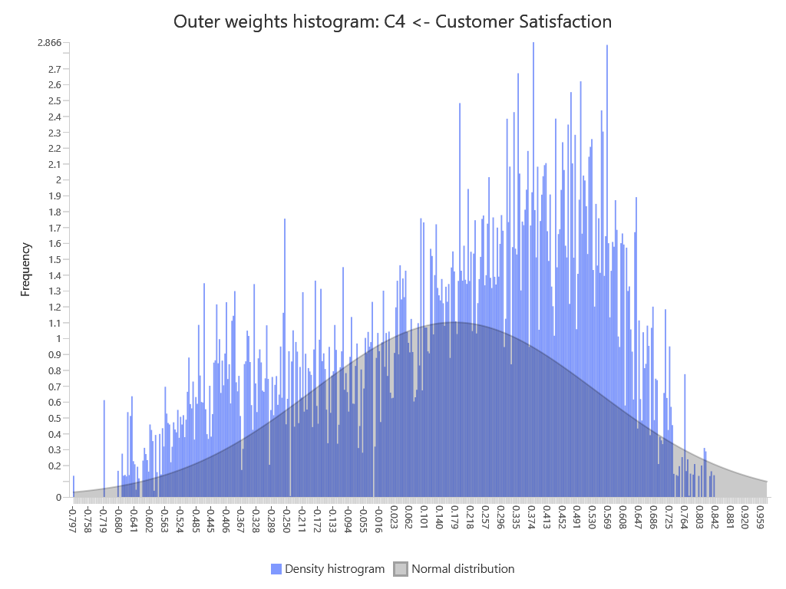
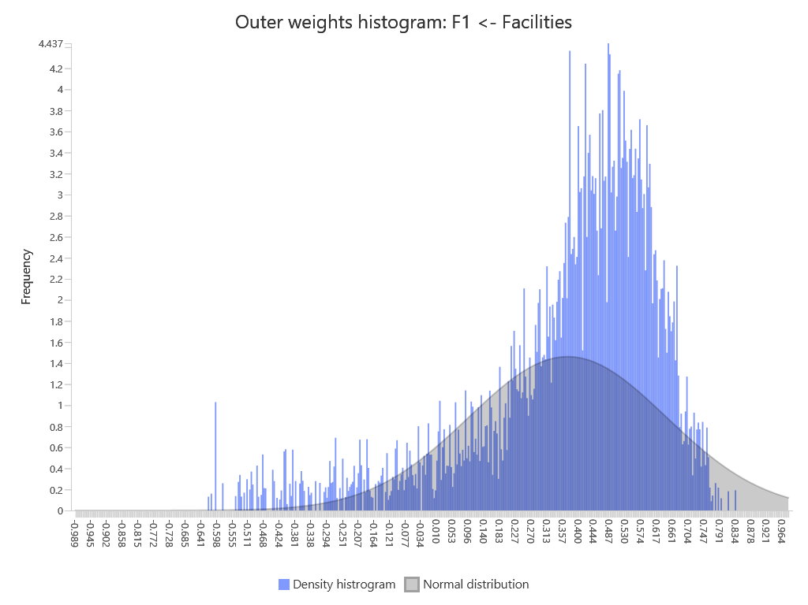
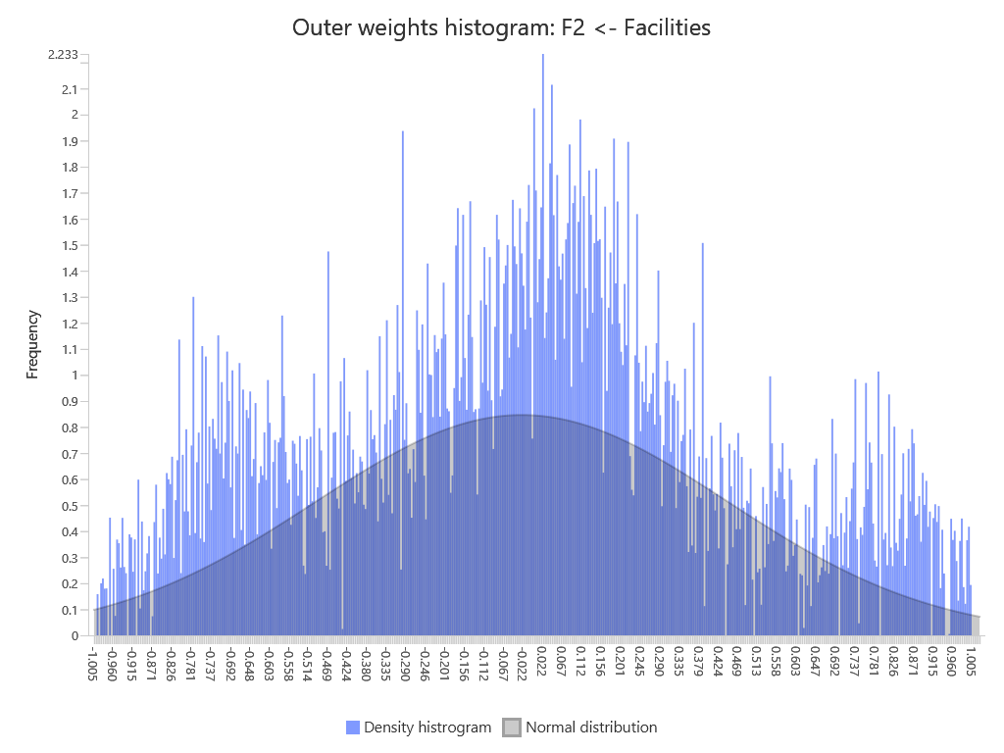
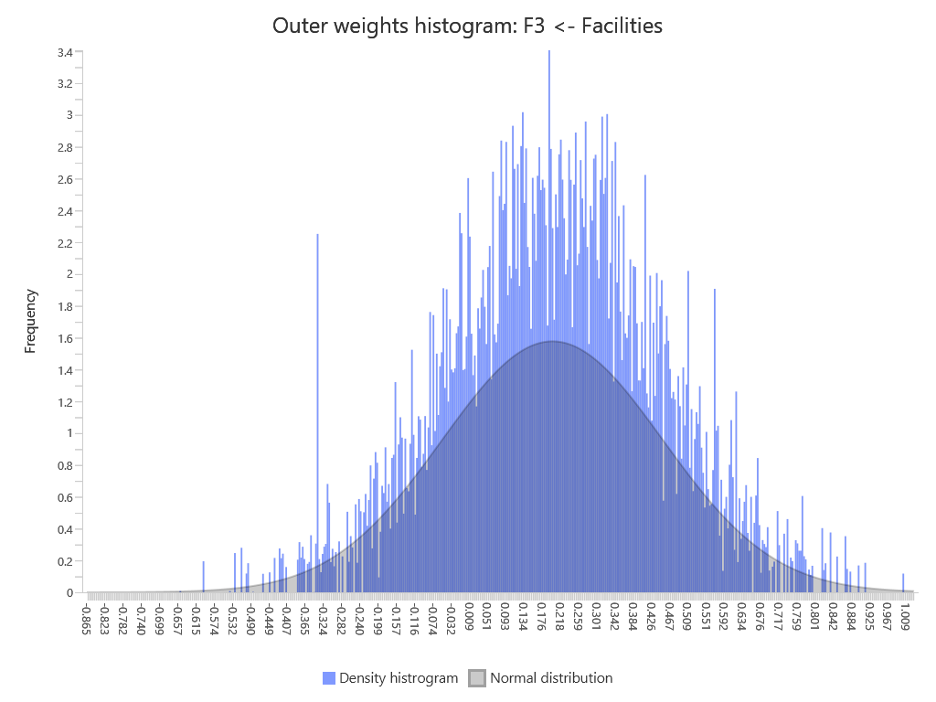
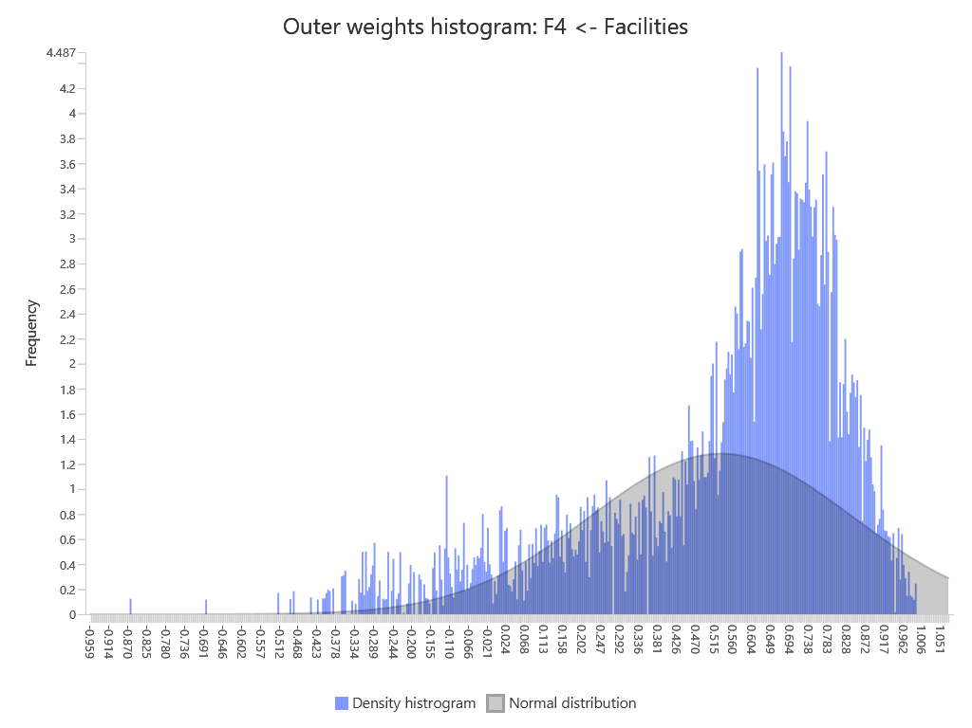
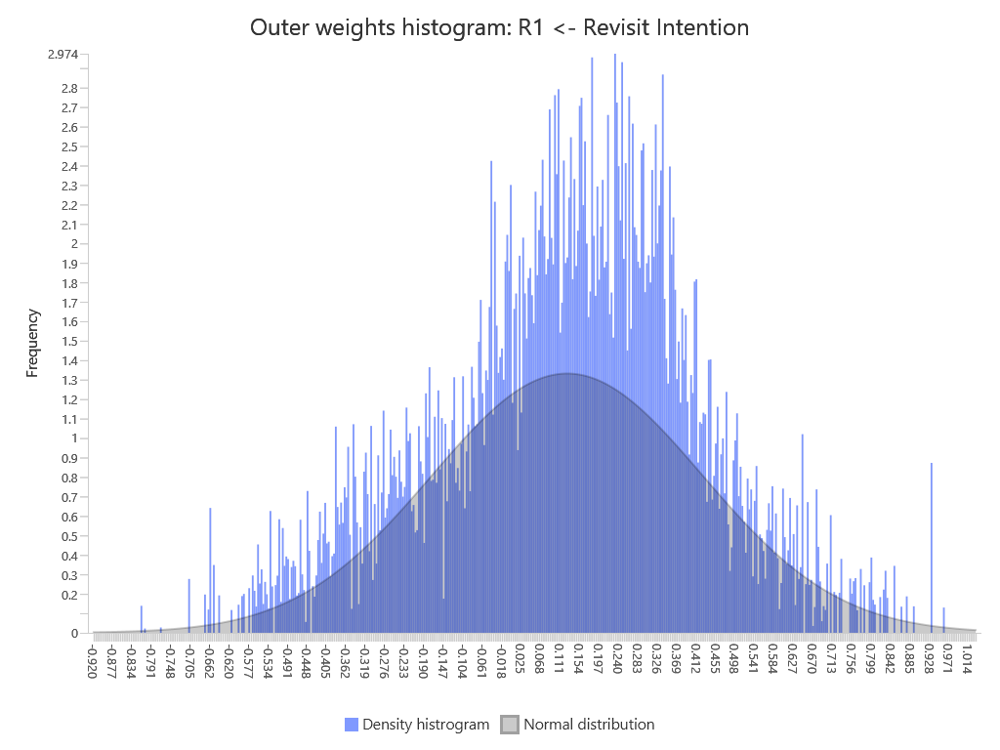
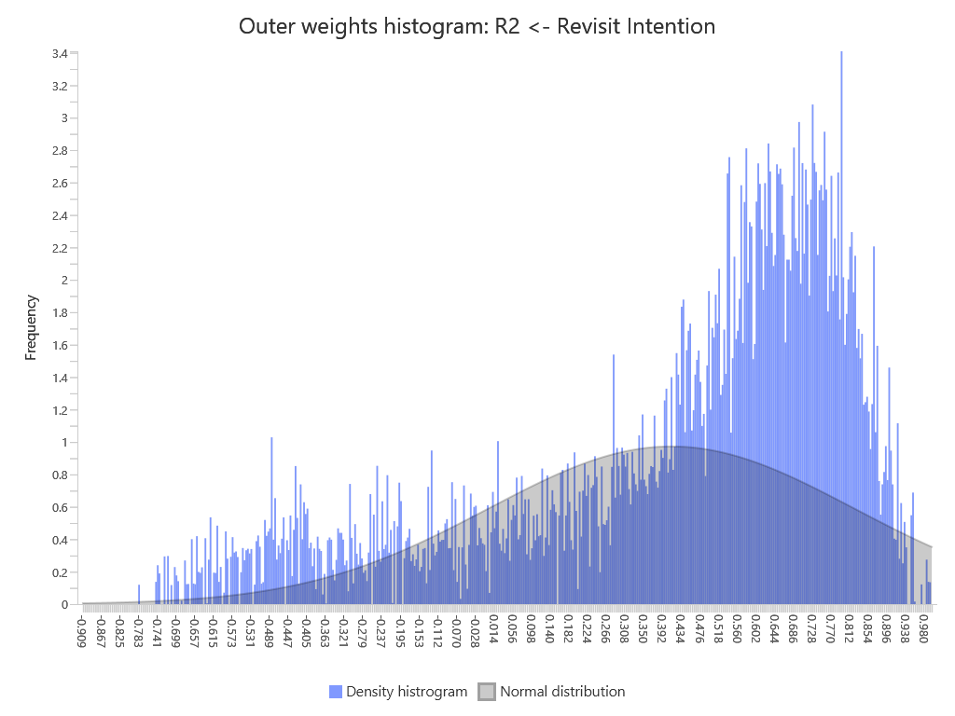
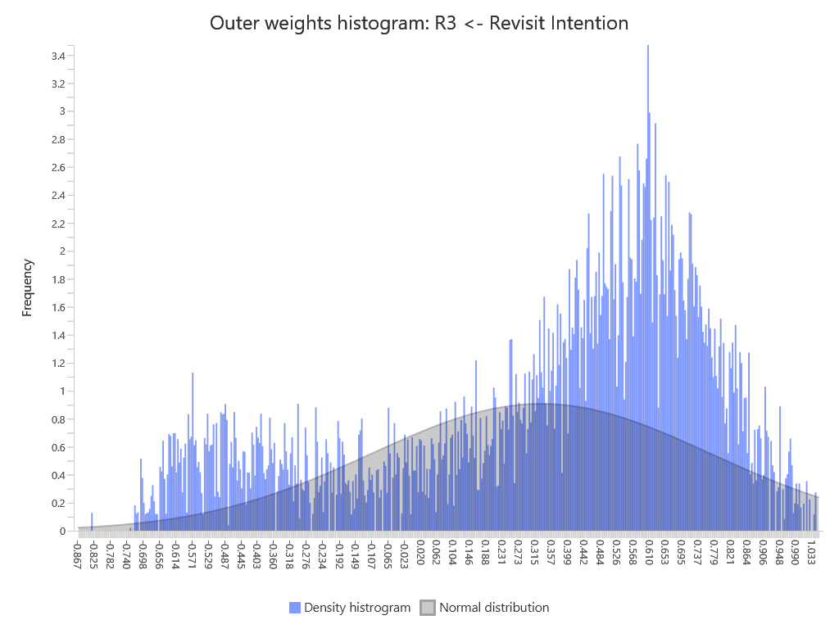
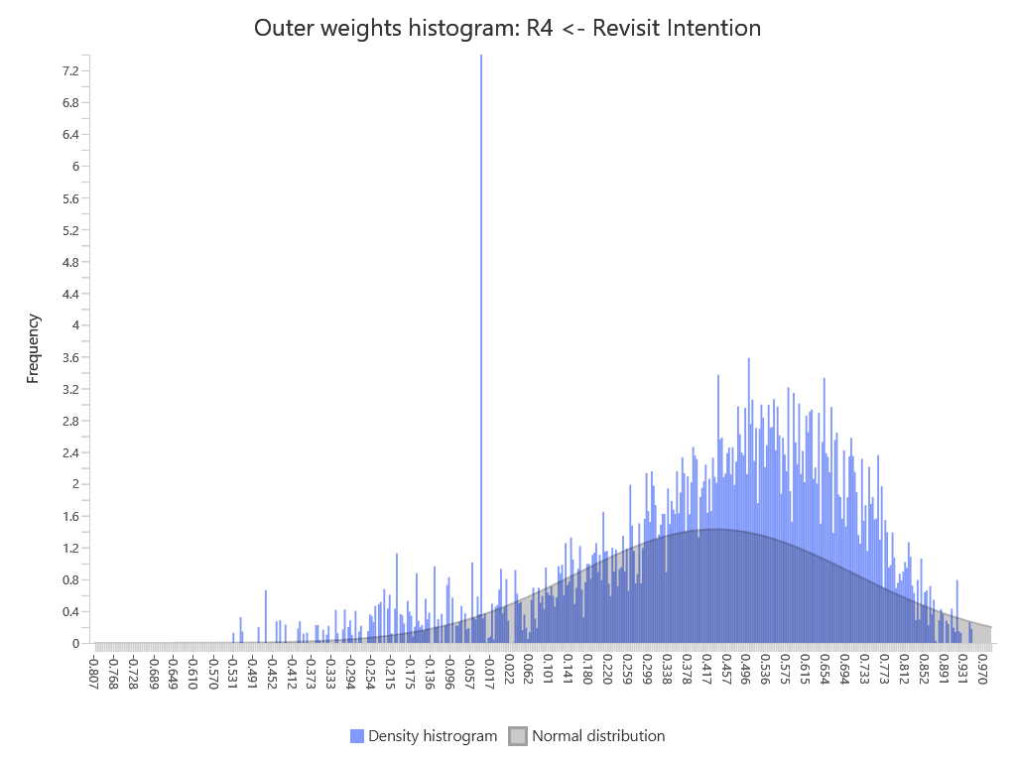
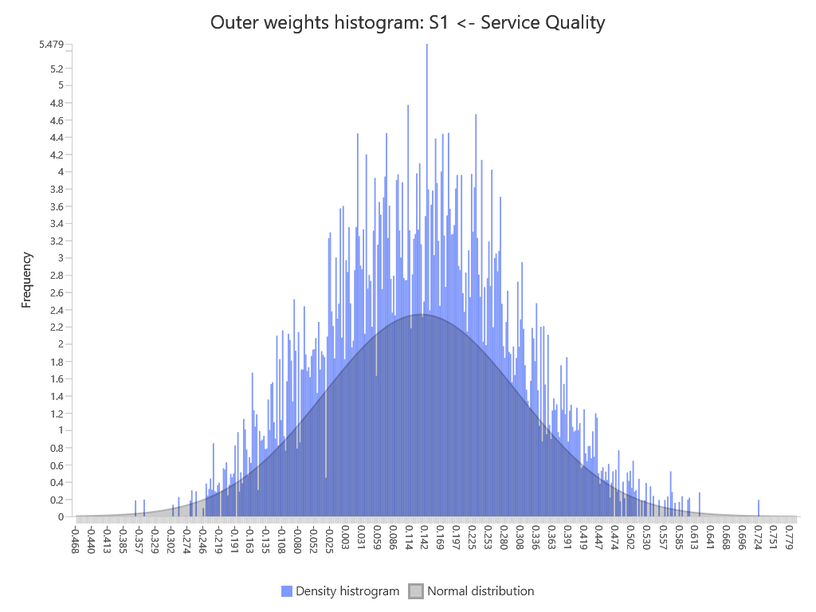
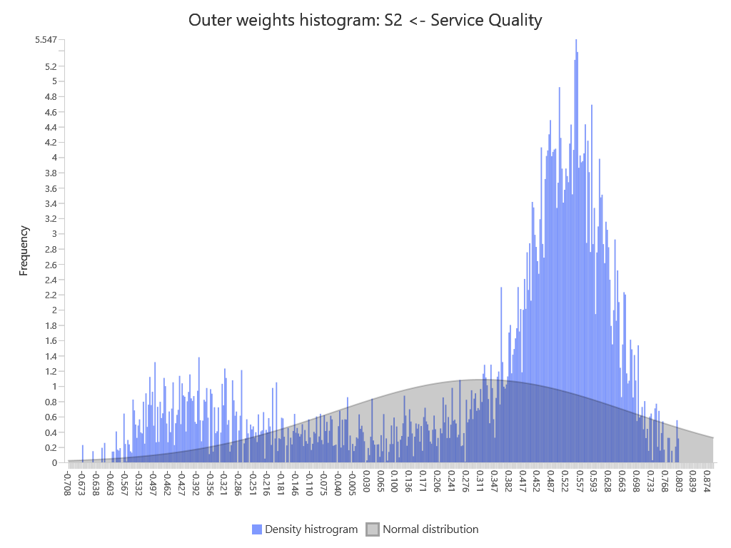
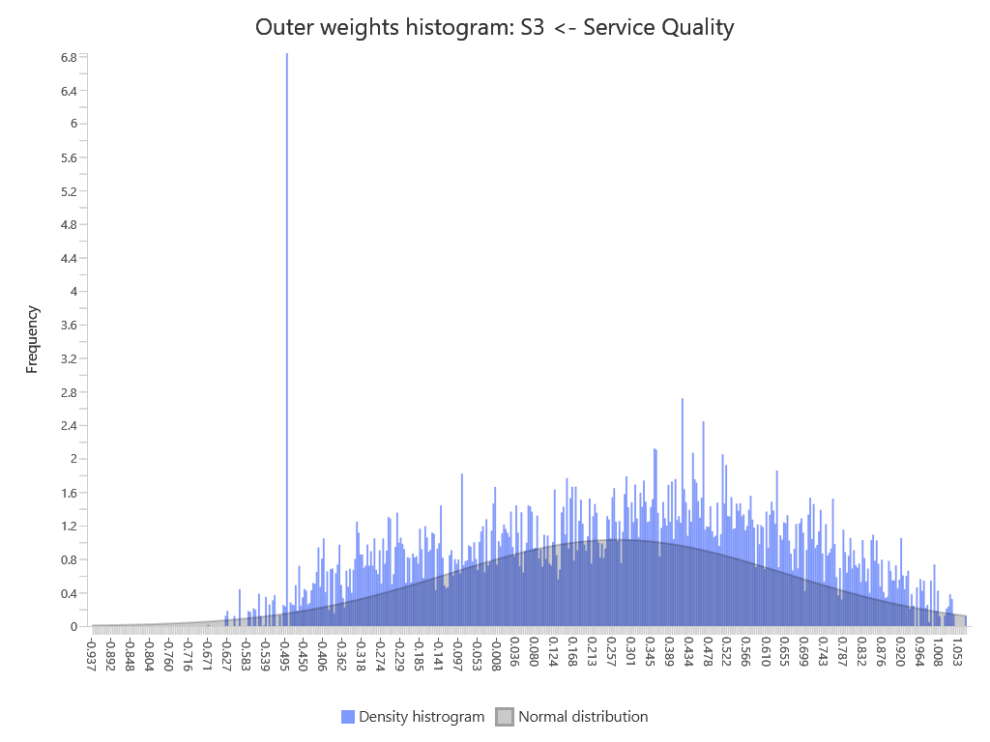
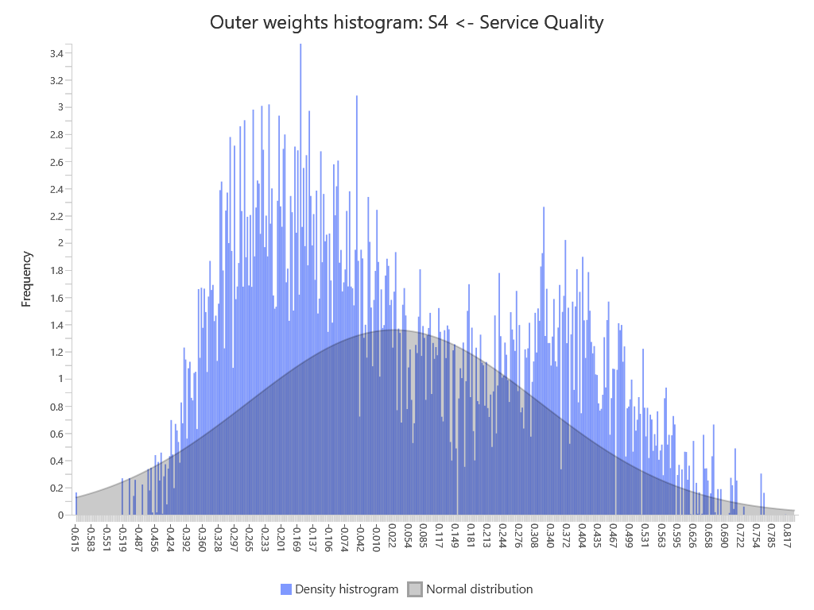
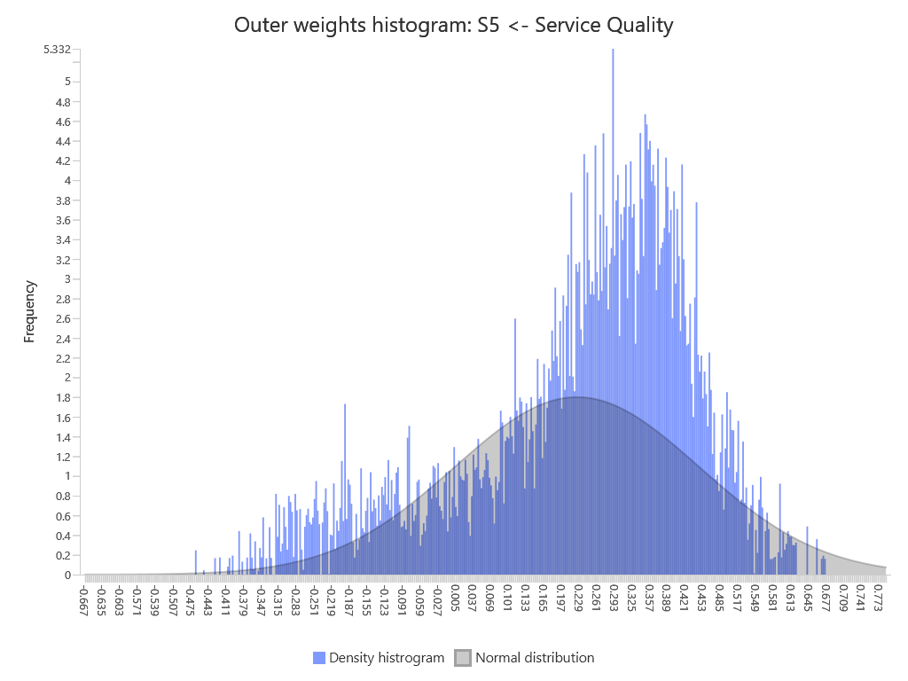
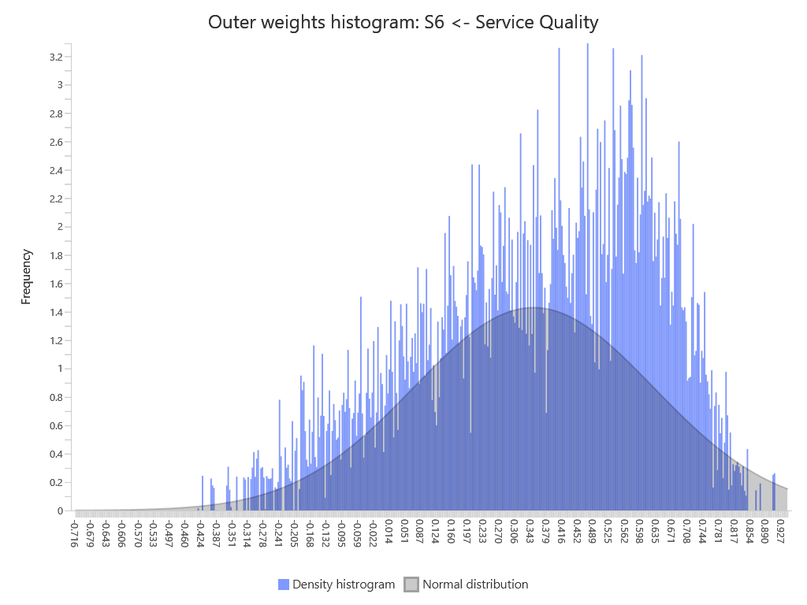
SmartPLS report
Please cite the use of SmartPLS: Ringle, C. M., Wende, S., and Becker, J.-M. 2024. "SmartPLS 4." Bönningstedt: SmartPLS, https://www.smartpls.com.

